Team 1
Team 1 Seismic Design Competition Score Sheet

Floor 1 area | Floor 2 area | Floor 3 area | Floor 4 area | Floor 5 area | Floor 6 area | Floor 7 area | Floor 8 area | Floor 9 area | Floor 10 area
$2,000 | $2,000 | $1,250 | $1,750 | $2,000 | $2,000 | $2,250 | $3,000 | $3,000 | $3,000 | Rentable Floor Revenue
 |  |  |  |  |  |  |  |  |  | $0.00

Base Weight (g) | Model Weight + Base | Model Weight | Construction Cost |  | Extra cm of Balsa | Additional Materials
0 |  | 0 | $0 |  |  | $0

Area of Building Footprint | Land Cost
 | $0.00

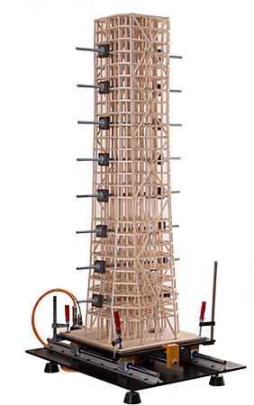
Rule Violation | Violations |  |  |  | # of Violations | Multiplier | Total
Dimensions |  |  |  |  |  | 5 | 0
Frame Members |  |  |  |  |  | 3 | 0
Connections |  |  |  |  |  | 3 | 0
Floor Dead Load Connections |  |  |  |  |  | 5 | 0
Roof Plate |  |  |  |  |  | 3 | 0
Building Finish |  |  |  |  |  | 3 | 0
TOTAL |  |  |  |  |  |  | 0

