Snell's Law
Exercise #1
Background: Suppose you are tasked with determining the thickness of the soil layer over bedrock using seismic refraction in order to estimate the amount of excavation required for a building foundation. The first step to solving this problem is being able to predict how the seismic waves will bend, or "refract," when the wave reaches the soil-bedrock interface. You will show that, for a given soil thickness and velocity of the soil layer, the "refraction angle" of the wave between the seismic source and the soil-bedrock interface is controlled by the lower layer velocity.
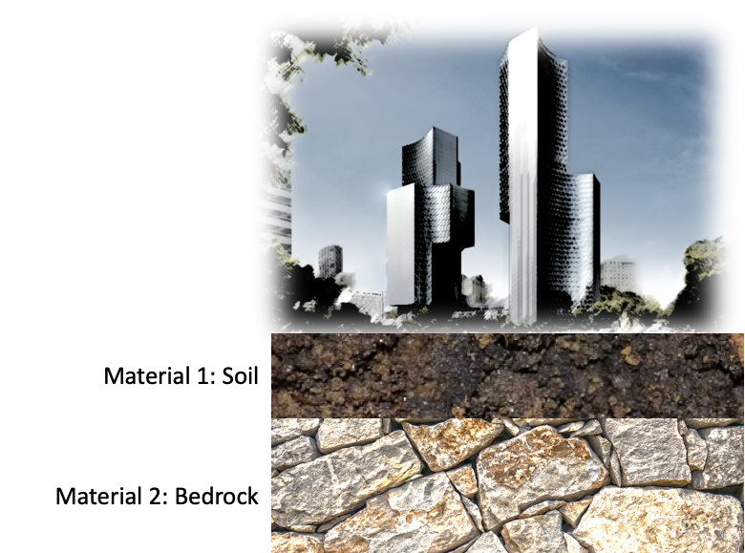

Assignment:
Assuming that material 1 supports a constant wave velocity (V1), show that the incident angle in layer 1 must change relative to the velocity of LAYER 2 when the ray is critically refracted (i.e., θ2 = 90°). In the table below, fill in constant values for V1 as shown in the example calculation on the left side of the spreadsheet. Then fill in constant values for θ2 = 90°. Next, fill in a range of incident angles (θ2) from 5 to 40 degrees. Then fill in the formula for Snell's law calculation following the example on the left side of the spreadsheet. Finally, convert the result of the Snell's law calculation to velocity using 1/Snell's law calculation. You may find it useful to make a scatterplot of "incident angle" against "material velocity" to show that incident angle is related to the layer 2 velocity.
[see PPT Unit 2, Part 2, slides 7-8]
material 1 velocity (V1) | 500 | m/s
incident angle (θ1) | 5 | degrees
θ1 in radians | 0.09
refracted angle (θ2) | 20 | degrees
θ2 in radians | 0.34
Snell's Law Calculation | 0.00051
material 2 velocity (V2) | 1962.12 | m/s

 |  | material 1 velocity (V1) | incident angle (θ1) | θ1 in radians | refracted angle (θ2) | θ2 in radians | Snell's Law Calculation | material 2 velocity (V2)
 |  | m/s | degrees |  | degrees |  |  | m/s

