travel time
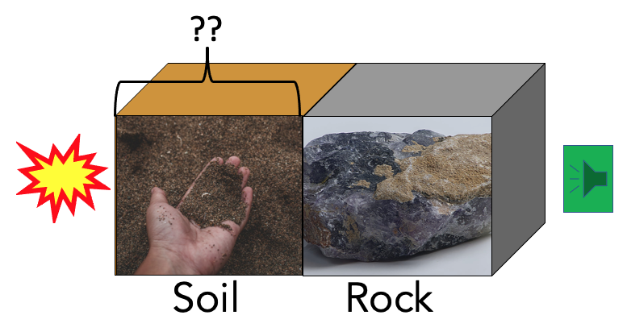
Exercise #2
Background: You are working in a lab with an apparatus that can hold up to three cubes of material next to each other for measurements. The objective is to see how long it takes a seismic (sound) wave to travel across the total distance of the apparatus when different materials and cube sizes are used. Since each material allows sound waves to travel at a different speed, the total travel time will be the sum of the travel time across each block of material.
The apparatus is shown below - it is 1 m across, and the seismic wave travels from the source on the left to the receiver on the right. If you know the distance = d (units of meters), and the velocity = v (units of meters per second), you can calculate travel time (units of seconds) as d/v.
Assignment (part 1):
Since you have blocks each made of a different material, use the proportion of the distance occupied by each material for the travel time calculation. For example, if the soil is 0.5 m long, the water is 0.25 meters long, and the rock is 0.25 m long, then the proportion of distance the seismic wave travels through soil is half of the total distance. Similarly, the proportion of distance for water and rock would be one quarter of the distance each. The total travel time will be the sum the travel times across each material.
Using the velocities for materials presented in the lecture slides (slide 8 of Part 2), calculate the total travel time across the apparatus for each case in the table below given the following materials and distances:

Case # | Soil distance [meters] | Water distance [meters] | Rock distance [meters] | Travel time [seconds]
1 | 0.60 | 0.40 | 0.00
2 | 0.00 | 1.00 | 0.00
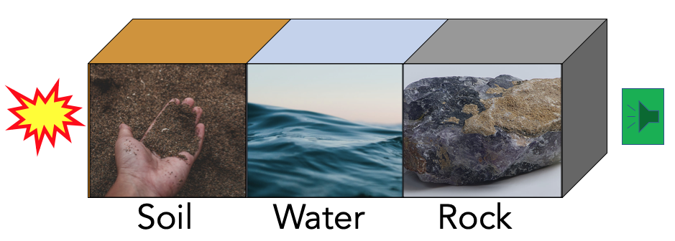
3 | 0.00 | 0.00 | 1.00
4 | 0.25 | 0.25 | 0.50
5 | 0.80 | 0.10 | 0.10
6 | 0.20 | 0.40 | 0.20
7 | 0.33 | 0.33 | 0.33

Assignment (part 2):
Now, suppose that there is only soil and bedrock in the apparatus and you only know that the travel time of the signal from the source through to the boundary between the soil and bedrock is 0.0015 seconds. How far away from the source is the bedrock?

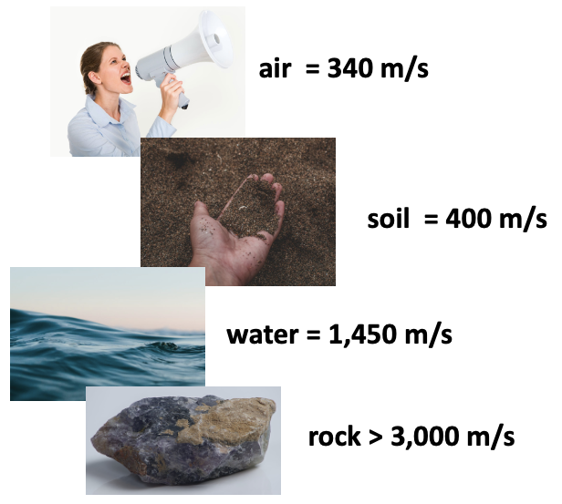
8 |  |  |  | 0.0015

