Sunspots
Historical Observations of Sunspots
 | Blank
1749.042
1749.123
1749.204
1749.288
1749.371
1749.455
1749.538
1749.623
1749.707
1749.79
1749.874
1749.958
1750.042
1750.123
1750.204
1750.288
1750.371
1750.455
1750.538
1750.623
1750.707
1750.79
1750.874
1750.958
1751.042
1751.123
1751.204
1751.288
1751.371
1751.455
1751.538
1751.623
1751.707
1751.79
1751.874
1751.958
1752.042
1752.124
1752.206
1752.29
1752.373
1752.456
1752.54
1752.624
1752.708
1752.791
1752.874
1752.958
1753.042
1753.123
...

 | 1

Ice Cores
Temperature and CO2 Records

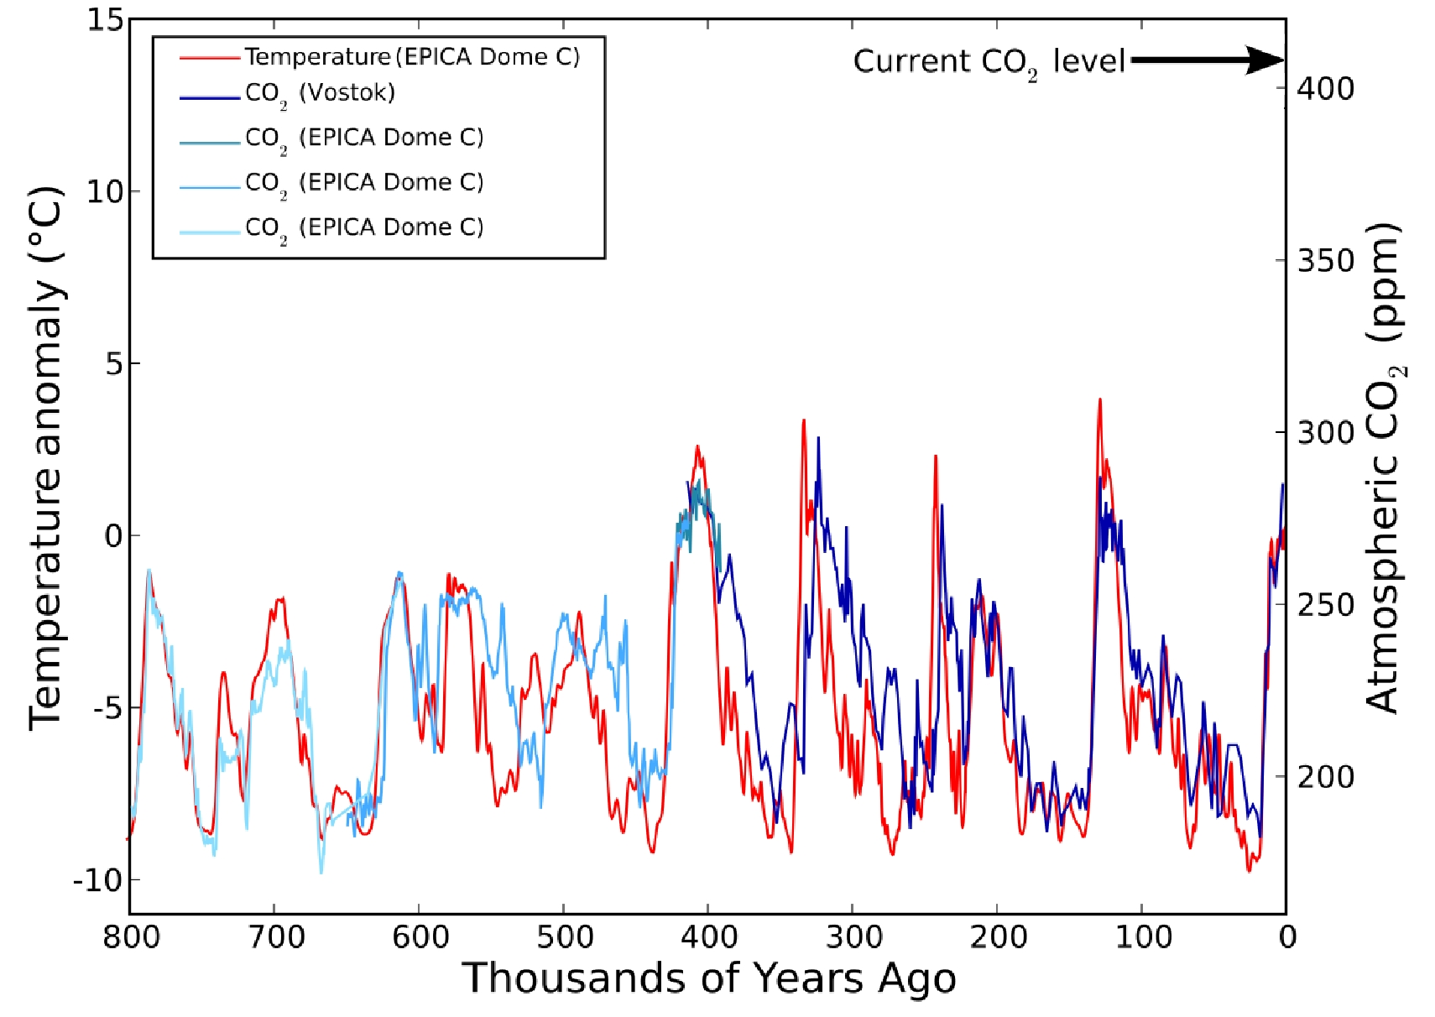

Image source:

https://en.wikipedia.org/wiki/File:Co2-temperature-records.svg
Modified by E. Herrstrom

Recent
 | Instrumental record | Ice Cores
1840 |  | -0.35
1841 |  | -0.46
1842 |  | -0.52
1843 |  | -0.52
1844 |  | -0.53
1845 |  | -0.5
1846 |  | -0.39
1847 |  | -0.32
1848 |  | -0.27
1849 |  | -0.25
1850 |  | -0.31
1851 |  | -0.31
1852 |  | -0.25
1853 |  | -0.16
1854 |  | -0.06
1855 |  | -0.16
1856 |  | -0.44
1857 |  | -0.48
1858 |  | -0.33
1859 |  | -0.2
1860 |  | -0.11
1861 |  | -0.11
1862 |  | -0.18
1863 |  | -0.26
1864 |  | -0.31
1865 |  | -0.34
1866 |  | -0.26
1867 |  | -0.12
1868 |  | -0.01
1869 |  | -0.01
1870 |  | -0.06
1871 |  | -0.05
1872 |  | -0.07
1873 |  | -0.15
1874 |  | -0.14
1875 |  | -0.12
1876 |  | -0.16
1877 |  | -0.18
1878 |  | -0.18
1879 |  | -0.25
1880 | -0.19 | -0.19
1881 | -0.11
1882 | -0.12
1883 | -0.2
1884 | -0.3
1885 | -0.32
1886 | -0.33
1887 | -0.36
1888 | -0.18
1889 | -0.11
...

1842 | 427.34
1912 | 427.11
2012 | 426.78
2018 | 426.76

 | Sunspots
1846.79 | 93.4
1846.874 | 100.6
1846.958 | 109.1
1847.042 | 104.4
1847.123 | 74.9
1847.204 | 143
1847.288 | 74.6
1847.371 | 125.7
1847.455 | 142.2
1847.538 | 87.1
1847.623 | 234.3
1847.707 | 268.2
1847.79 | 300.6
1847.874 | 231.5
1847.958 | 182.6
1848.042 | 265.2
1848.124 | 186.4
1848.206 | 181.2
1848.29 | 178.6
1848.373 | 170.5
1848.456 | 214.9
1848.54 | 232
1848.624 | 220.9
1848.708 | 167.3
1848.791 | 220.6
1848.874 | 191
1848.958 | 265.8
1849.042 | 298.3
1849.123 | 250.3
1849.204 | 182.7
1849.288 | 194.7
1849.371 | 153.2
1849.455 | 154.2
1849.538 | 148.2
1849.623 | 128.6
1849.707 | 178
1849.79 | 135.7
1849.874 | 188.2
1849.958 | 184.3
1850.042 | 148.2
1850.123 | 169.8
1850.204 | 156.8
1850.288 | 83.8
1850.371 | 117
1850.455 | 133
1850.538 | 74.3
1850.623 | 117
1850.707 | 163.7
1850.79 | 134.9
1850.874 | 104.1
...

 | Ice Cores
1841 | 283.0
1844 | 286.5
1846 | 284.1
1848 | 286.1
1849 | 287.7
1851 | 285.2
1852 | 288.6
1854 | 287.0
1855 | 284.9
1859 | 286.5
1862 | 286.6
1864 | 285.4
1867 | 285.2
1869 | 287.7
1870 | 287.4
1873 | 287.2
1874 | 290.5
1878 | 288.8
1883 | 291.9
1884 | 289.4
1886 | 290.6
1887 | 293.7
1889 | 291.5
1889 | 292.2
1892 | 294.7
1893 | 294.6
1894 | 293.8
1896 | 298.2
1899 | 294.7
1899 | 296.0
1899 | 296.2
1901 | 296.5
1902 | 295.7
1902 | 295.0
1904 | 295.1
1905 | 299.0
1906 | 296.9
1906 | 298.5
1909 | 300.4
1912 | 298.4
1913 | 300.7
1914 | 300.0
1914 | 300.7
1916 | 301.3
1919 | 303.3
1919 | 303.6
1923 | 303.2
1924 | 305.2
1925 | 304.1
1925 | 304.8
...

Temperature Key
 | Instrumental record | Ice Cores
1840 |  | -0.35
1841 |  | -0.46
1842 |  | -0.52
1843 |  | -0.52
1844 |  | -0.53
1845 |  | -0.5
1846 |  | -0.39
1847 |  | -0.32
1848 |  | -0.27
1849 |  | -0.25
1850 |  | -0.31
1851 |  | -0.31
1852 |  | -0.25
1853 |  | -0.16
1854 |  | -0.06
1855 |  | -0.16
1856 |  | -0.44
1857 |  | -0.48
1858 |  | -0.33
1859 |  | -0.2
1860 |  | -0.11
1861 |  | -0.11
1862 |  | -0.18
1863 |  | -0.26
1864 |  | -0.31
1865 |  | -0.34
1866 |  | -0.26
1867 |  | -0.12
1868 |  | -0.01
1869 |  | -0.01
1870 |  | -0.06
1871 |  | -0.05
1872 |  | -0.07
1873 |  | -0.15
1874 |  | -0.14
1875 |  | -0.12
1876 |  | -0.16
1877 |  | -0.18
1878 |  | -0.18
1879 |  | -0.25
1880 | -0.19 | -0.19
1881 | -0.11
1882 | -0.12
1883 | -0.2
1884 | -0.3
1885 | -0.32
1886 | -0.33
1887 | -0.36
1888 | -0.18
1889 | -0.11
...
-0.07
0.01
0.07
-0.15
-0.14
-0.21
0.04
0.07
0.03
-0.02
0.05
0.04
0.07
-0.2
-0.1
-0.05
-0.02
-0.07
0.07
0.03
-0.09
0.01
0.16
-0.08
-0.02
-0.11
0.17
0.06
0.16
0.27
-0.00066666666667

Sunspots Key
Historical Observations of Sunspots
 | Blank
1749.042 |  | 96.7
1749.123 |  | 104.3
1749.204 |  | 116.7
1749.288 |  | 92.8
1749.371 |  | 141.7
1749.455 |  | 139.2
1749.538 |  | 158
1749.623 |  | 110.5
1749.707 |  | 126.5
1749.79 |  | 125.8
1749.874 |  | 264.3
1749.958 |  | 142
1750.042 |  | 122.2
1750.123 |  | 126.5
1750.204 |  | 148.7
1750.288 |  | 147.2
1750.371 |  | 150
1750.455 |  | 166.7
1750.538 |  | 142.3
1750.623 |  | 171.7
1750.707 |  | 152
1750.79 |  | 109.5
1750.874 |  | 105.5
1750.958 |  | 125.7
1751.042 |  | 116.7
1751.123 |  | 72.5
1751.204 |  | 75.5
1751.288 |  | 94
1751.371 |  | 101.2
1751.455 |  | 84.5
1751.538 |  | 110.5
1751.623 |  | 99.7
1751.707 |  | 39.2
1751.79 |  | 38.7
1751.874 |  | 47.5
1751.958 |  | 73.3
1752.042 |  | 58.3
1752.124 |  | 83.3
1752.206 |  | 118.3
1752.29 |  | 98.8
1752.373 |  | 99.5
1752.456 |  | 66
1752.54 |  | 130.7
1752.624 |  | 48.8
1752.708 |  | 45.2
1752.791 |  | 77.7
1752.874 |  | 62.7
1752.958 |  | 66.7
1753.042 |  | 73.3
1753.123 |  | 53.3
...

