Sheet1
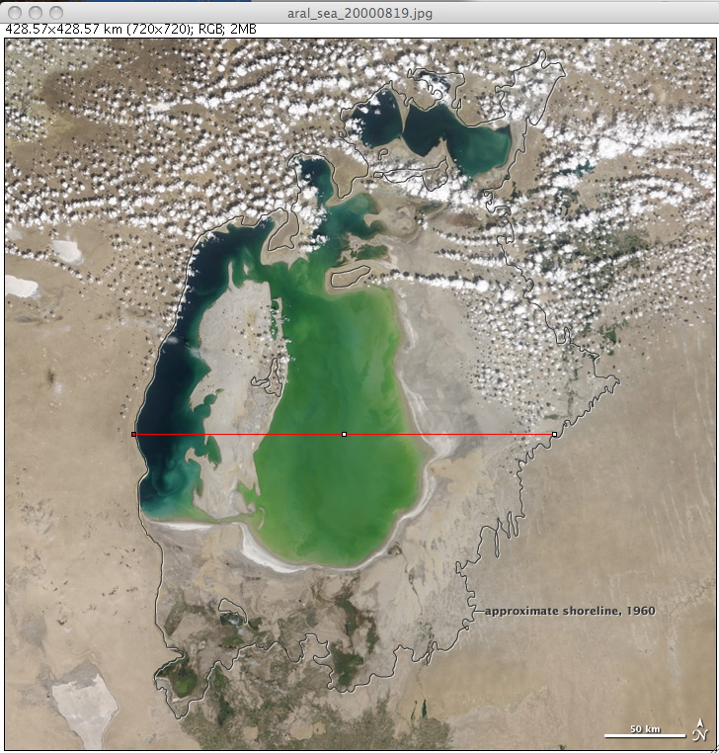
slice number | Year | width of Sea in Km | area of Sea
 | 1960 | 253.57 | 66784.3
1 | 2000 | 171.43 | 19304.85
2 | 2001 | 163.69 | 19068.52
3 | 2002 | 154.76 | 17095.03
4 | 2003 | 150 | 15854.59
5 | 2004 | 143.45 | 13159.37
6 | 2005 | 142.26 | 11633.72
7 | 2006 | 137.5 | 11324.05
8 | 2007 | 129.17 | 9049.39
9 | 2008 | 123.21 | 6228.74
measurement of lake width in 1960. Note location of line.
10 | 2009 | 35.12 | 4049.74
11 | 2010 | 127.98 | 9437.36

Distance Across Aral Sea by Year

253.57 km - Distance Across Sea in 1960

Area of of Aral Sea by Year

