Sheet1
 |  |  |  |  | emmisions
energy type | cost | environmental impact | NIMBY factor | Nitrogen Oxide | Sulpher Dioxide | Carbon Dioxide
units | $$/MWhr |  |  | LB / Thousand BTU | LB / Thousand BTU | Lb / Million BTU
Coal | 94.8 | 10 | 10 | 457 | 2591 | 205
Natural Gas | 66.1 | 6 | 8 | 448 | 1122 | 164
Oil | 123.3 | 8 | 8 | 92 | 1 | 117
Nuclear | 113.9 | 4 | 10 | 0 | 0 | 4
Hydro | 86.4 | 3 | 4 | 0 | 0 | 0.5
Solar | 211.4 | 3 | 4 | 0 | 0 | 7
Wind | 97.8 | 2 | 4 | 0 | 0 | 2

The above grid shows maxumum (100%) output values for each energy type. Below in the Sample City each energy type is established as a percent of total, output values scale with the percent.

Sample city |  |  |  |  |  | emmisions
 | % energy | cost | enviro | NIMBY | Nitrogen Oxide | Sulpher Dioxide | Carbon Dioxide
Coal | 30 | 28.44 | 3 | 3 | 137.1 | 777.3 | 61.5
Natural Gas | 15 | 9.915 | 0.9 | 1.2 | 67.2 | 168.3 | 24.6
Oil | 15 | 18.495 | 1.2 | 1.2 | 13.8 | 0.15 | 17.55
Nuclear | 5 | 5.695 | 0.2 | 0.5 | 0 | 0 | 0.2
Hydro | 20 | 17.28 | 0.6 | 0.8 | 0 | 0 | 0.1
Solar | 5 | 10.57 | 0.15 | 0.2 | 0 | 0 | 0.35
Wind | 10 | 9.78 | 0.2 | 0.4 | 0 | 0 | 0.2
 | 100 | 100.175 | 6.25 | 7.3 | 218.1 | 945.75 | 104.5
 |  | 95 | 6 | 7 | 200 | 1000 | 90

Paris, France |  |  |  |  |  | emmisions
 | % energy | cost | enviro | NIMBY | Nitrogen Oxide | Sulpher Dioxide | Carbon Dioxide
Coal | 0 | 0 | 0 | 0 | 0 | 0 | 0
Natural Gas | 0 | 0 | 0 | 0 | 0 | 0 | 0
Oil | 0 | 0 | 0 | 0 | 0 | 0 | 0
Nuclear | 0 | 0 | 0 | 0 | 0 | 0 | 0
Hydro | 0 | 0 | 0 | 0 | 0 | 0 | 0
Solar | 0 | 0 | 0 | 0 | 0 | 0 | 0
Wind | 0 | 0 | 0 | 0 | 0 | 0 | 0
 | 0 | 0 | 0 | 0 | 0 | 0 | 0
 |  | 115 | 4.3 | 7 | 35 | 130 | 35

Portland, Oregon
 | % energy | cost | enviro | NIMBY | Nitrogen Oxide | Sulpher Dioxide | Carbon Dioxide
Coal | 0 | 0 | 0 | 0 | 0 | 0 | 0
Natural Gas | 0 | 0 | 0 | 0 | 0 | 0 | 0
Oil | 0 | 0 | 0 | 0 | 0 | 0 | 0
Nuclear | 0 | 0 | 0 | 0 | 0 | 0 | 0
Hydro | 0 | 0 | 0 | 0 | 0 | 0 | 0
Solar | 0 | 0 | 0 | 0 | 0 | 0 | 0
Wind | 0 | 0 | 0 | 0 | 0 | 0 | 0
 | 0 | 0 | 0 | 0 | 0 | 0 | 0
 |  | 113 | 4.5 | 6.5 | 120 | 350 | 70

Yourtown, USA
 | % energy | cost | enviro | NIMBY | Nitrogen Oxide | Sulpher Dioxide | Carbon Dioxide
Coal | 0 | 0 | 0 | 0 | 0 | 0 | 0
Natural Gas | 0 | 0 | 0 | 0 | 0 | 0 | 0
Oil | 0 | 0 | 0 | 0 | 0 | 0 | 0
Nuclear | 0 | 0 | 0 | 0 | 0 | 0 | 0
Hydro | 0 | 0 | 0 | 0 | 0 | 0 | 0
Solar | 0 | 0 | 0 | 0 | 0 | 0 | 0
Wind | 0 | 0 | 0 | 0 | 0 | 0 | 0
 | 0 | 0 | 0 | 0 | 0 | 0 | 0

Each city would have limits in each of these categories
a twist would be to have each group do a different city, each will different caps (Dallas, TX would have a diiferent NIMBY cap than Portland, OR)

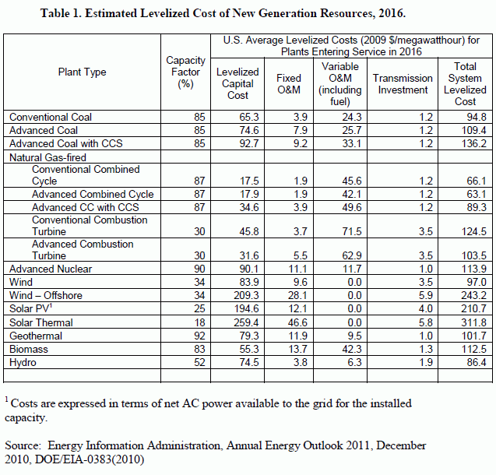
http://www.world-nuclear.org/education/comparativeco2.html |  |  |  |  | http://en.wikipedia.org/wiki/Hydroelectricity
http://en.wikipedia.org/wiki/Nuclear_power
http://www.naturalgas.org/environment/naturalgas.asp

